BUG REPORT
Functional Assesment
BUG REPORT |  | BUG REPORT

ID Number | 1 | ID Number | 2
Name | Repetead images | Name | Buttons do not work
Reporter | Paulo Roberto | Reporter | Paulo Roberto
Submit Date | 2023-10-10 | Submit Date | 2023-10-10
Summary | When I open the "https://www.saucedemo.com/inventory.html" page, the intems for sale have na image that does not match the item described | Summary | When I open the "https://www.saucedemo.com/inventory.html" page and try to click on the "Add to cart" or "Remove" nothing happens.
URL | https://www.saucedemo.com/inventory.html | URL | https://www.saucedemo.com/inventory.html
Screenshot(s) | 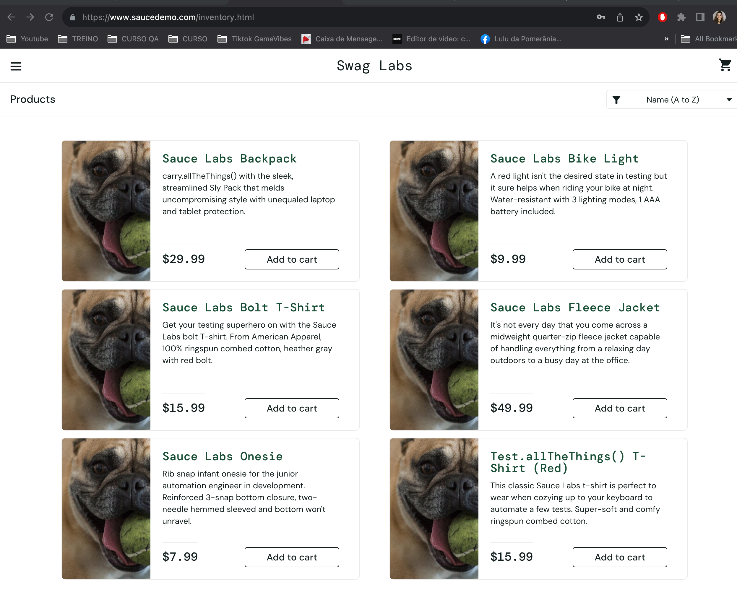 | Screenshot(s) | 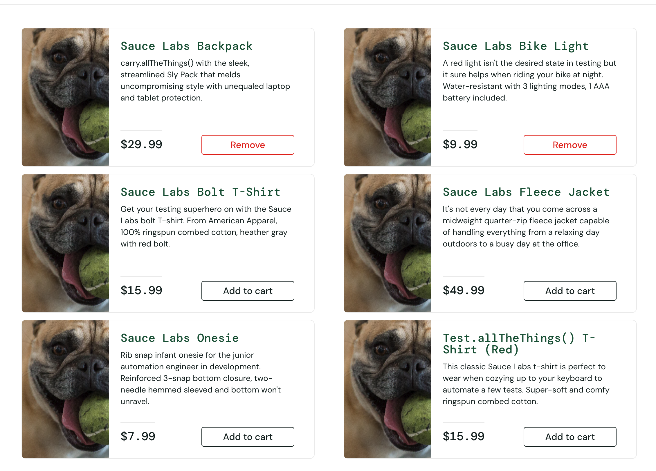
Platform | Laptop | Platform | Laptop
Operating System | macOS Big Sur Version: 11.7.10 | Operating System | macOS Big Sur Version: 11.7.10
Browser | Google Chrome - Version 117.0.5938.149 (Official Build) (x86_64) | Browser | Google Chrome - Version 117.0.5938.149 (Official Build) (x86_64)
Severity | Minor | Severity | Major
Assigned to | Junior Dev | Assigned to | Fabiana Dev
Priority | Medium | Priority | High

BUG REPORT |  | BUG REPORT

ID Number | 3 | ID Number | 4
Name | Filter does not work | Name | "About" page problem
Reporter | Paulo Roberto | Reporter | Paulo Roberto
Submit Date | 2023-10-10 | Submit Date | 2023-10-10
Summary | When I open the "https://www.saucedemo.com/inventory.html" page and click on the filter Name (A to Z) it does not work and I cannot change to the others options example: Price (low to high) there are all not working | Summary | When I open the "https://www.saucedemo.com/inventory.html" page and click on the "Burger" button and select the "About" option. It will redirected me to "https://saucelabs.com/error/404" page, but an error appears that the page is not working
URL | https://www.saucedemo.com/inventory.html | URL | https://www.saucedemo.com/inventory.html
Screenshot(s) | 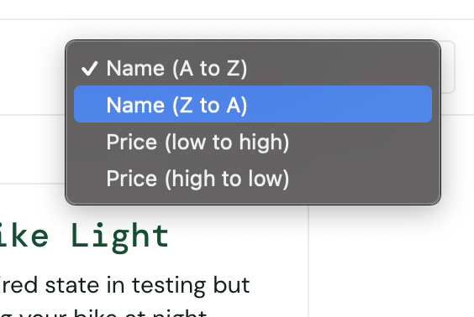 | Screenshot(s) | 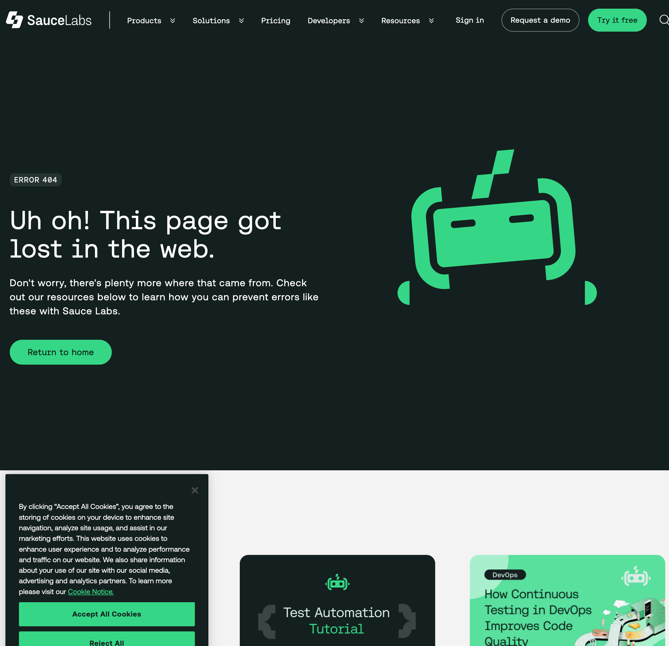
Platform | Laptop | Platform | Laptop
Operating System | macOS Big Sur Version: 11.7.10 | Operating System | macOS Big Sur Version: 11.7.10
Browser | Google Chrome - Version 117.0.5938.149 (Official Build) (x86_64) | Browser | Google Chrome - Version 117.0.5938.149 (Official Build) (x86_64)
Severity | Minor | Severity | Major
Assigned to | Maria Dev | Assigned to | João Dev
Priority | Medium | Priority | High

BUG REPORT

ID Number | 5
Name | Checkout: Your Information problem
Reporter | Paulo Roberto
Submit Date | 2023-10-10
Summary | Having already selected the products to buy, when I fill in my details on "https://www.saucedemo.com/checkout-step-one.html" page, I cannot enter my Last Name. I type my Last Name, but it type again in the first field (First Name) and leave the Last Name empty and shows me the message Error: Last Name is required
URL | https://www.saucedemo.com/checkout-step-one.html
Screenshot(s) | 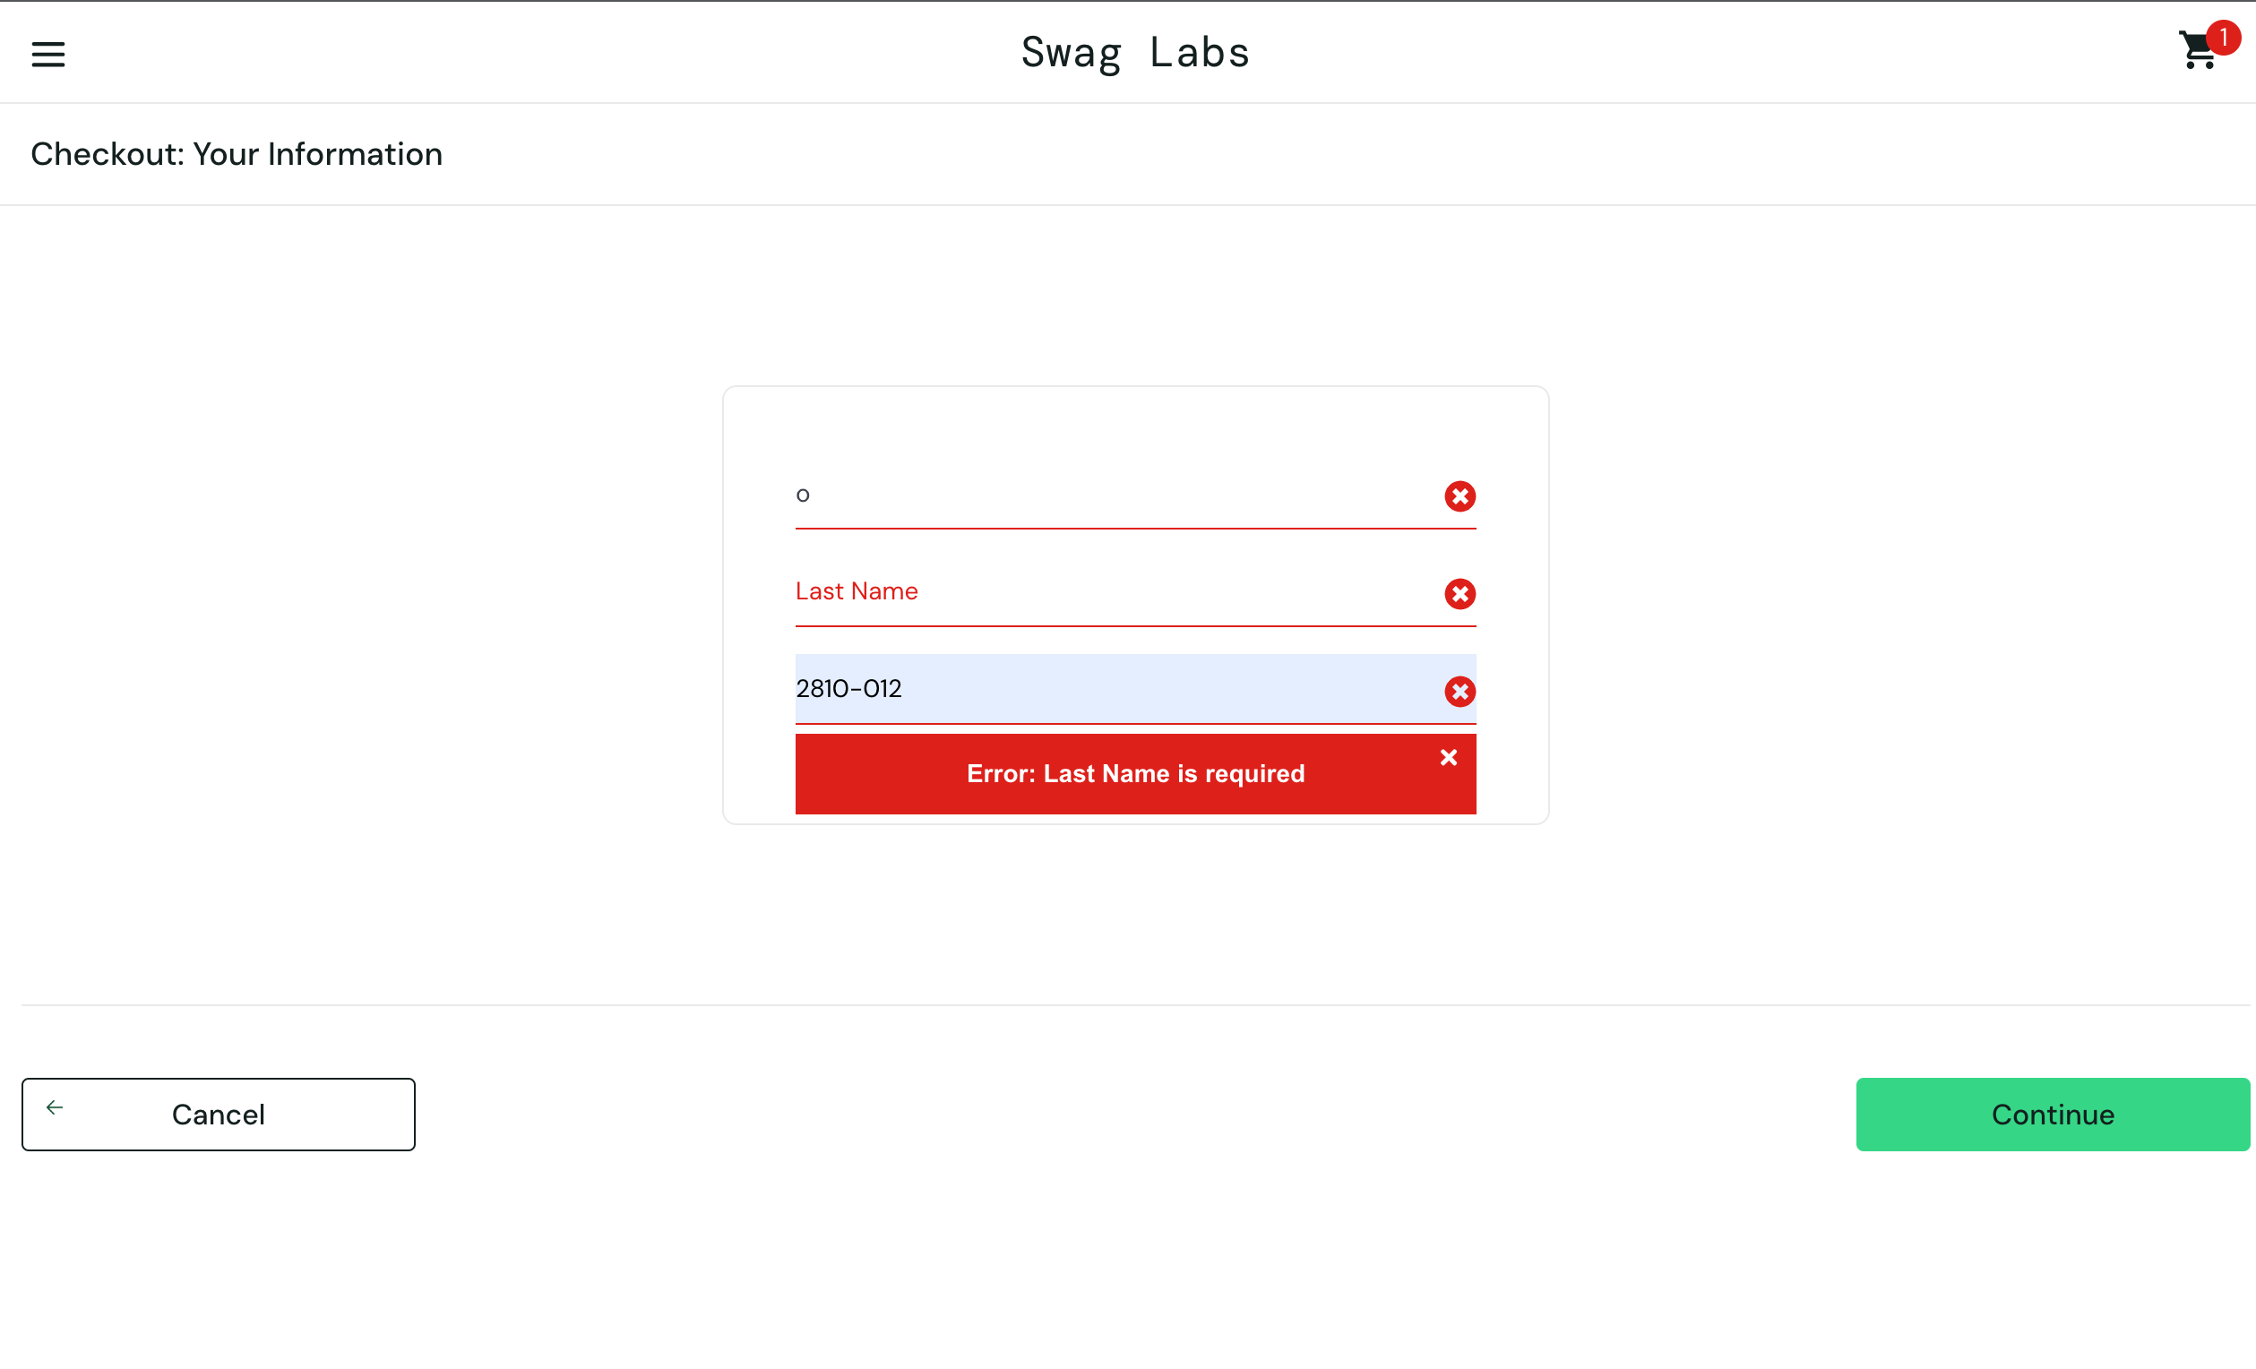
Platform | Laptop
Operating System | macOS Big Sur Version: 11.7.10
Browser | Google Chrome - Version 117.0.5938.149 (Official Build) (x86_64)
Severity | Critical
Assigned to | Maluana Dev
Priority | High

